Sheet1
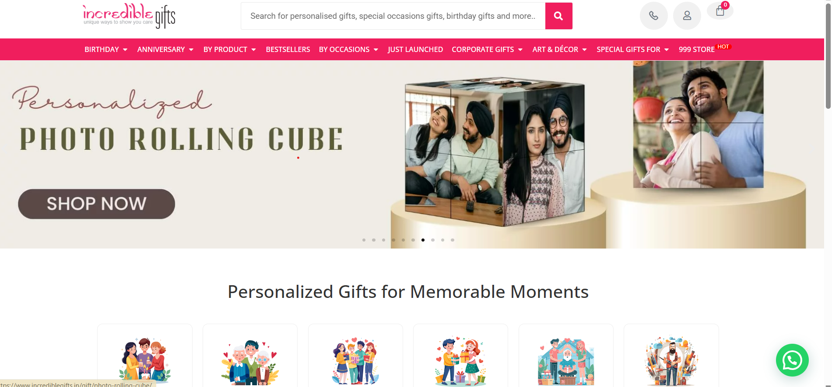
Team: Kunal

Module | Features | Application User | Admin User | Challenge Area Addressed
Sign Up & Login | Sign up via Email, Mobile, or Google/Facebook | Yes | No | Quick access and onboarding via social or traditional login
 | OTP-based Login (Mobile/Email) | Yes | No | Secure and password-free access
Profile Management | Manage Delivery Addresses | Yes | No | Faster checkout and delivery updates
 | Save Personalization Preferences | Yes | No | Better user experience for gifting personalization
 | View & Edit Profile | Yes | No | Keep user data accurate for orders
Product Catalog | Browse by Occasion, Relation, Profession, Category | Yes | Yes | Personalized and intuitive product discovery
 | Product Filters (Price, Delivery Time, Reviews, etc.) | Yes | Yes | Improves product search efficiency
 | Personalized Product View (custom text/image previews) | Yes | Yes | Helps users see personalization before ordering
Cart & Wishlist | Add/Remove Products | Yes | No | Shopping flexibility
 | Save to Wishlist | Yes | No | Plan future gifts
 | Apply Coupon Codes | Yes | No | Promote savings and retention
 | Notify When Wishlist Item Is Discounted or Restocked | Yes | No | Encourages conversion
Offers | First Order Discounts | Yes | No | New customer conversion
 | Occasion-Based Offers | Yes | Yes | Themed promotions to increase sales
 | Bulk Order Discounts | Yes | Yes | Targets corporate gifting market
 | Combo Offers | Yes | Yes | Encourages higher AOV (average order value)
Gift Personalization | Upload Image/Message for Personalized Gifts | Yes | Yes | Core USP of personalized gifting
 | Live Preview of Personalization | Yes | No | Reduces order errors
 | Font & Color Selection | Yes | Yes | Enhances personalization experience
 | Gift Wrap & Message Card Option | Yes | Yes | Adds emotional value
Order Management | Place, Track, and Manage Orders | Yes | Yes | Complete transparency and control
 | Select Preferred Delivery Date | Yes | No | Ensures timely gifting
 | Cancel/Change Order (within time limit) | Yes | Yes | Flexibility post-order
 | Return Policy (Non-personalized Only) | Yes | Yes | Manages customer satisfaction
 | Reorder from History | Yes | No | Useful for recurring gifts

Screenshot

